Types of testing
Testing: Samsung AA59(TV remote control)
Functional testing | Testing all functions of Samsung AA59: - checking that the device could be connected to all TVs mentioned in documentation - checking that buttons could be pressed - checking buttons perform their function(mentioned in documentation) - check battery requirements for the device - if the remote control is water proof, check if it works normally after immersing in water - check the operational distance for the device
UI testing | Сompare the appearance of Samsung AA59 to its mockup: - check the materials - checking if all buttons are present - check if the LED light is present on top of the remote - check device's weight, dimentions - size and form of the product - size and form of all buttons - colors of all constituents - location of buttons relative to each other - correct font and font size for buttons - correct lettering(all words and numbers) | 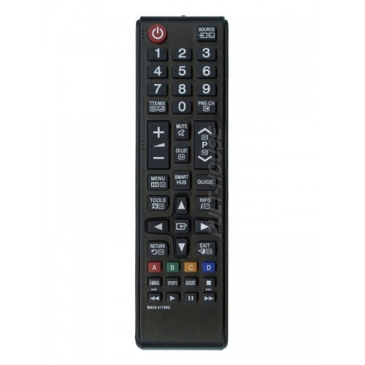
Usability | Checking the convenience of usage: - check if it's convenient to hold the device - check if there should be a comfort amount of pressure to every button - check if buttons size is convenient - check if colors are used due to standards - check if navigation is convenient - check if there is a delay after pressing a button - check that user can navigate to different single-digit and multi-digit channels
Perfomance / Load | Checking the level of work in stress conditions(with higher load): - check buttons by pressing more than one simultaniously - check how much time a TV takes to operate after pressing a button on the remote from different angles - press one button multiple times
Configuration | Checking that the device could be connected and working with all TVs mentioned in documentation

